EDA
Data Info
 | Recording | 正式实验6
 | Subject | 葛雄心
 | Create Time | 2023-11-20 11:12:28.681
 | Data Name | Finger8 EDA
 | Data Type | EDA
 | Sample Rate | 64
 | Segment | 前静息态
 | Start Time | 0:00:51
 | End Time | 0:05:51
 | Duration | 0:05:00

Replay Chart
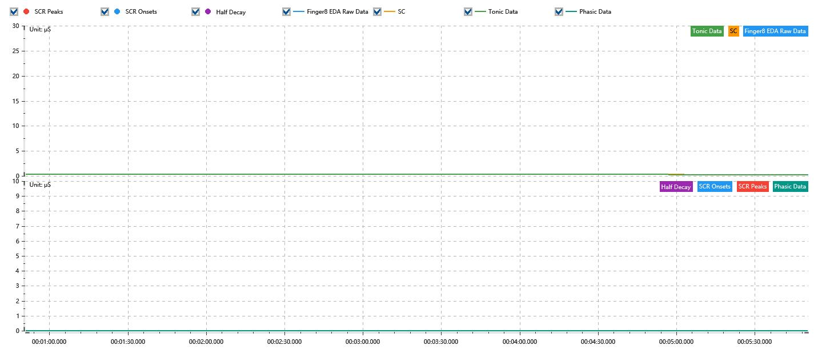

Process parameters
 | Filters
 | Smooth denoise | Enabled | 高斯 | 5(samples)
 | Lowpass filter | Enabled | 5μS
 | Skin Conductance Response
 | SCR extraction | Minimum SCR amplitude | 0.03μS
 | SCR extraction | Max rise time | 4s
 | SCR extraction | Max half decay time | 4s
 | SCR extraction | Peak dection sensitivity | 中
 | Event related activation | Window relative to event | 1s | 4s

Time Domain
 | Data | Mean | Max | Min | Std | Variance | Polar Distance | Data Length
 | SC | 0.29μS | 0.32μS | 0.28μS | 0.01μS | 0μS² | 0.04μS | 1200
 | Tonic | 0.29μS | 0.32μS | 0.28μS | 0.01μS | 0μS² | 0.03μS | 1200
 | Phasic | 0μS | 0.02μS | 0μS | 0μS | 0μS² | 0.02μS | 1200

